Inquiry
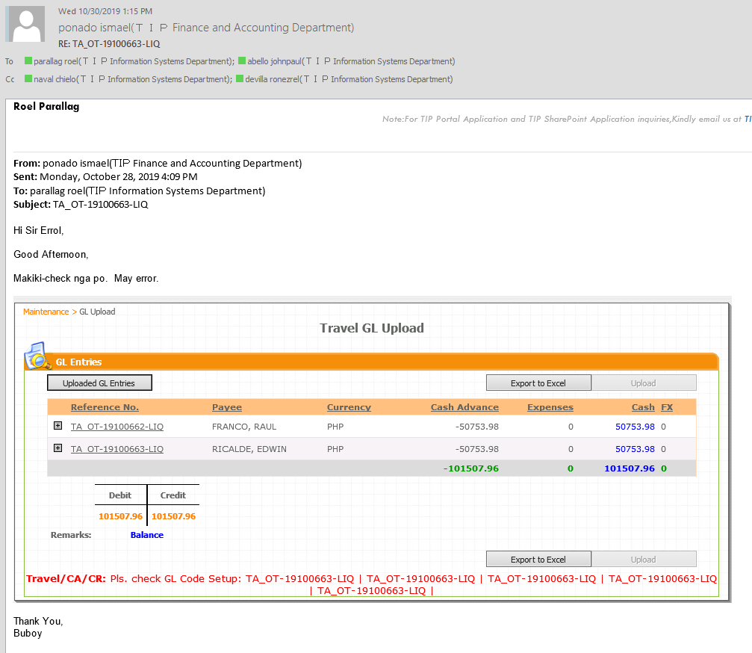

Checking
ref_no | requestor_empno | requestor_name | requestor_dept | payee_empno | vendor_id | payee_name | date_request | bu_code | cost_center | bank | account_no | net_due | currency | first_approver_empno | first_approver_name | first_approver_status | first_approver_comment | first_approver_date | second_approver_empno | second_approver_name | second_approver_status | second_approver_comment | second_approver_date | third_approver_empno | third_approver_name | third_approver_status | third_approver_comment | third_approver_date | fourth_approver_empno | fourth_approver_name | fourth_approver_status | fourth_approver_comment | fourth_approver_date | fifth_approver_empno | fifth_approver_name | fifth_approver_status | fifth_approver_comment | fifth_approver_date | status | payment_status | doc_num | date_paid | liquidation_stat
TA_OT-19100663 | 197C0192 | MEDALLA, HAIDEE | PCD | 197K0002 | 8149 | RICALDE, EDWIN | 26-Sep-2019 | S30 | 3003020 | BPI | 8976033873 | 5000.00 | PHP | 196F0013 | MARAMAG, JOSELITO | Approved |  |  | 115C0040 | KURIHARA, HARUYUKI |  |  |  | 197F0023 | FLORENCIO, NORALYN | Approved |  |  | 197F0023 | FLORENCIO, NORALYN | Approved |  |  | 197F0023 | NORALYN FLORENCIO | Approved |  | 10-Oct-2019 12:22 | approved | Unpaid | NULL | NULL | Liquidated

ref_no | description | main_code | sub_code | additional | amount
TA_OT-19100663 | Preparation Allowance | 42206920 | 0000 | 0000 | 5000.00

ref_no | description | main_code | sub_code | additional | amount
TA_OT-19100663 | USD - Emergency Allowance | 12403910 | 1502 | 0000 | 100.00

ref_no | description | main_code | sub_code | additional | amount
TA_OT-19100663 | JPY - Travel Allowance | 12403910 | 1502 | 0000 | 4000.00
TA_OT-19100663 | JPY - Lodging Accomodation Allow. | 12403910 | 1502 | 0000 | 35300.00
TA_OT-19100663 | JPY - Transportation Allowance | 12403910 | 1502 | 0000 | 44240.00
TA_OT-19100663 | JPY - Meal Allowance | 12403910 | 1502 | 0000 | 10800.00
TA_OT-19100663 | JPY - Others - rounded to thousand | 12403910 | 1502 | 0000 | 660.00

Mismatch of cost center.
Charge of account created is incorrect

 | SELECT full_name, attribute25, attribute26,attribute27
 | FROM per_all_people_f
 | WHERE employee_number LIKE '%197K0002%'

Recovery
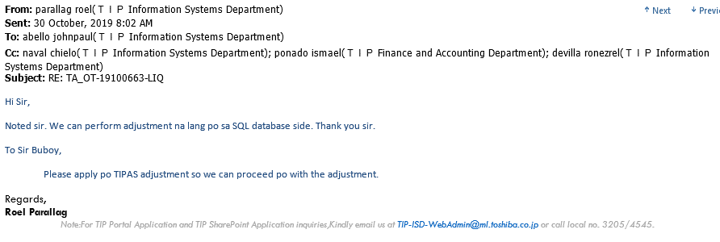
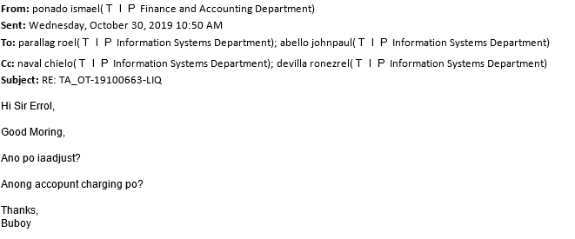
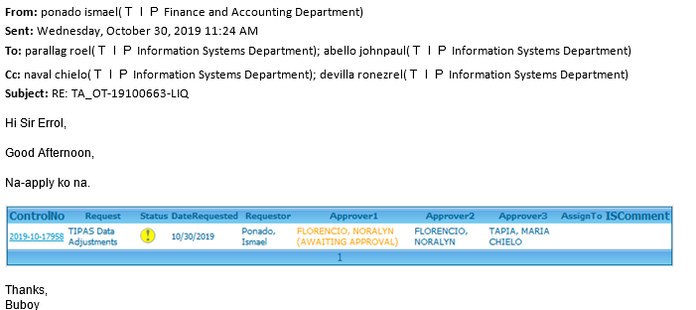
Web Team c/o Sir Erol
Proceed with Data Adjustment to correct cost center in PRS

